Sheet1
SN | NAME | CLASS | SEX | PSEUDONYM | PHOTO
1 | RIVEK ZAMACHANDRAN | PRIMARY 6 | MALE | INFOSEC SHINOBI | 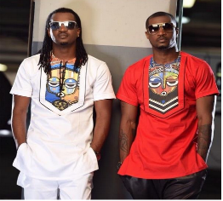
2 | SICHAEL RACKSON | JSS3 | MALE | NODESH | 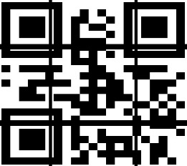
3 | TONALD STRUMP | PRIMARY 3 | MALE | CRYPTPHI | 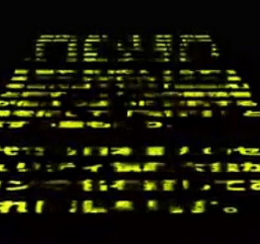
4 | BOLUSEGUN YOGASANDO | SSS2 | MALE | PYTHARMANI | 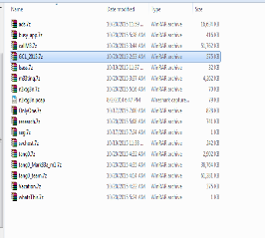
5 | JALWARE RAKE | PRIMARY 6 | MALE | FORENSICATOR | 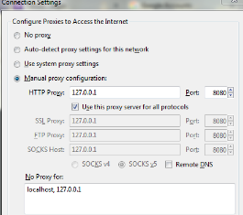
6 | HAJEK RASHEK | PRIMARY 3 | MALE | INSAIDA | 
7 | BELINE SION | PRIMARY 6 | FEMALE | BEE | 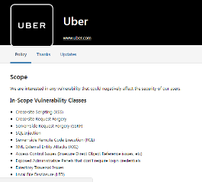 the flag you seek is NSC{pR0TEkshUN_15_inVaL1D}
8 | BANI KABACHA | NURSERY 2 | MALE | THEBEEMAN | 